Balance Sheet
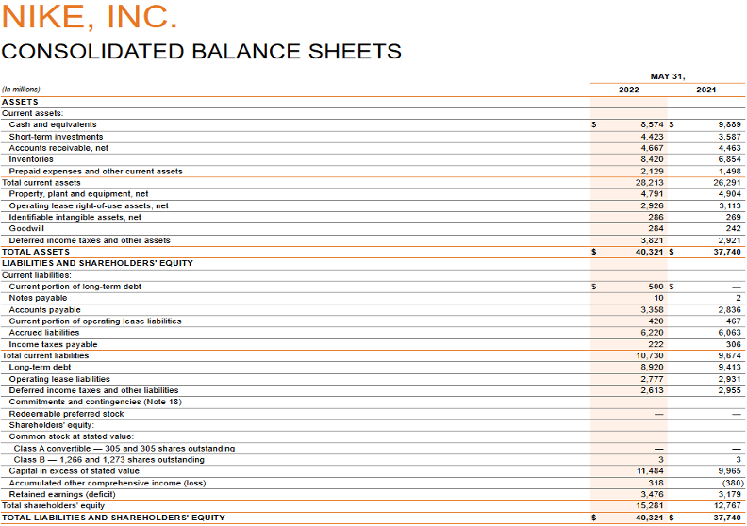
Balance Sheet(s)
Please provide screenshots below of the balance sheet(s) that you used for your analysis. Use tickmarks to demonstrate which amounts are used on the following tabs.

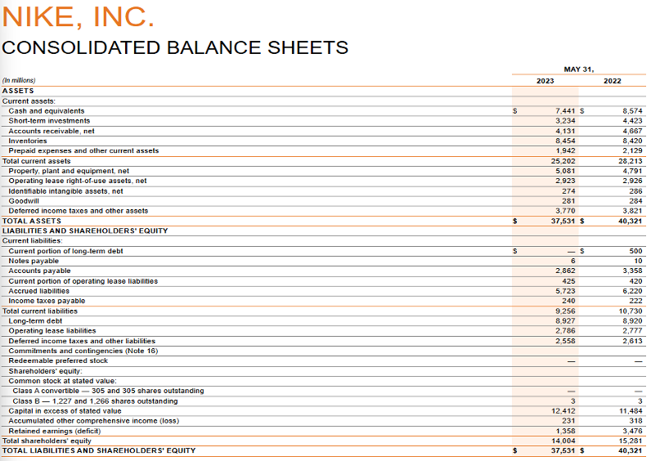

 | [c]

 | [f]

 | [d]

 | [k]

 | [h]
 | [e]

Income Statement
Income Statement(s)
Please provide screenshots below of the income statement that you used for your analysis. Use tickmarks to demonstrate which amounts are used on the following tabs.
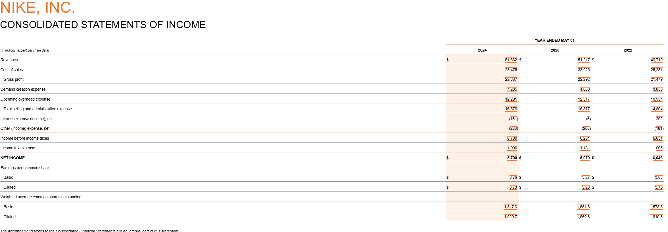

 |  | [g]

 | [b]

 | [a]

 |  |  | [i]

 |  |  | [j]

Balance Sheet - Competitor
Balance Sheet(s)
Please provide screenshots below of the balance sheet(s) that you used for your competitor analysis. Use tickmarks to demonstrate which amounts are used on the following tabs.
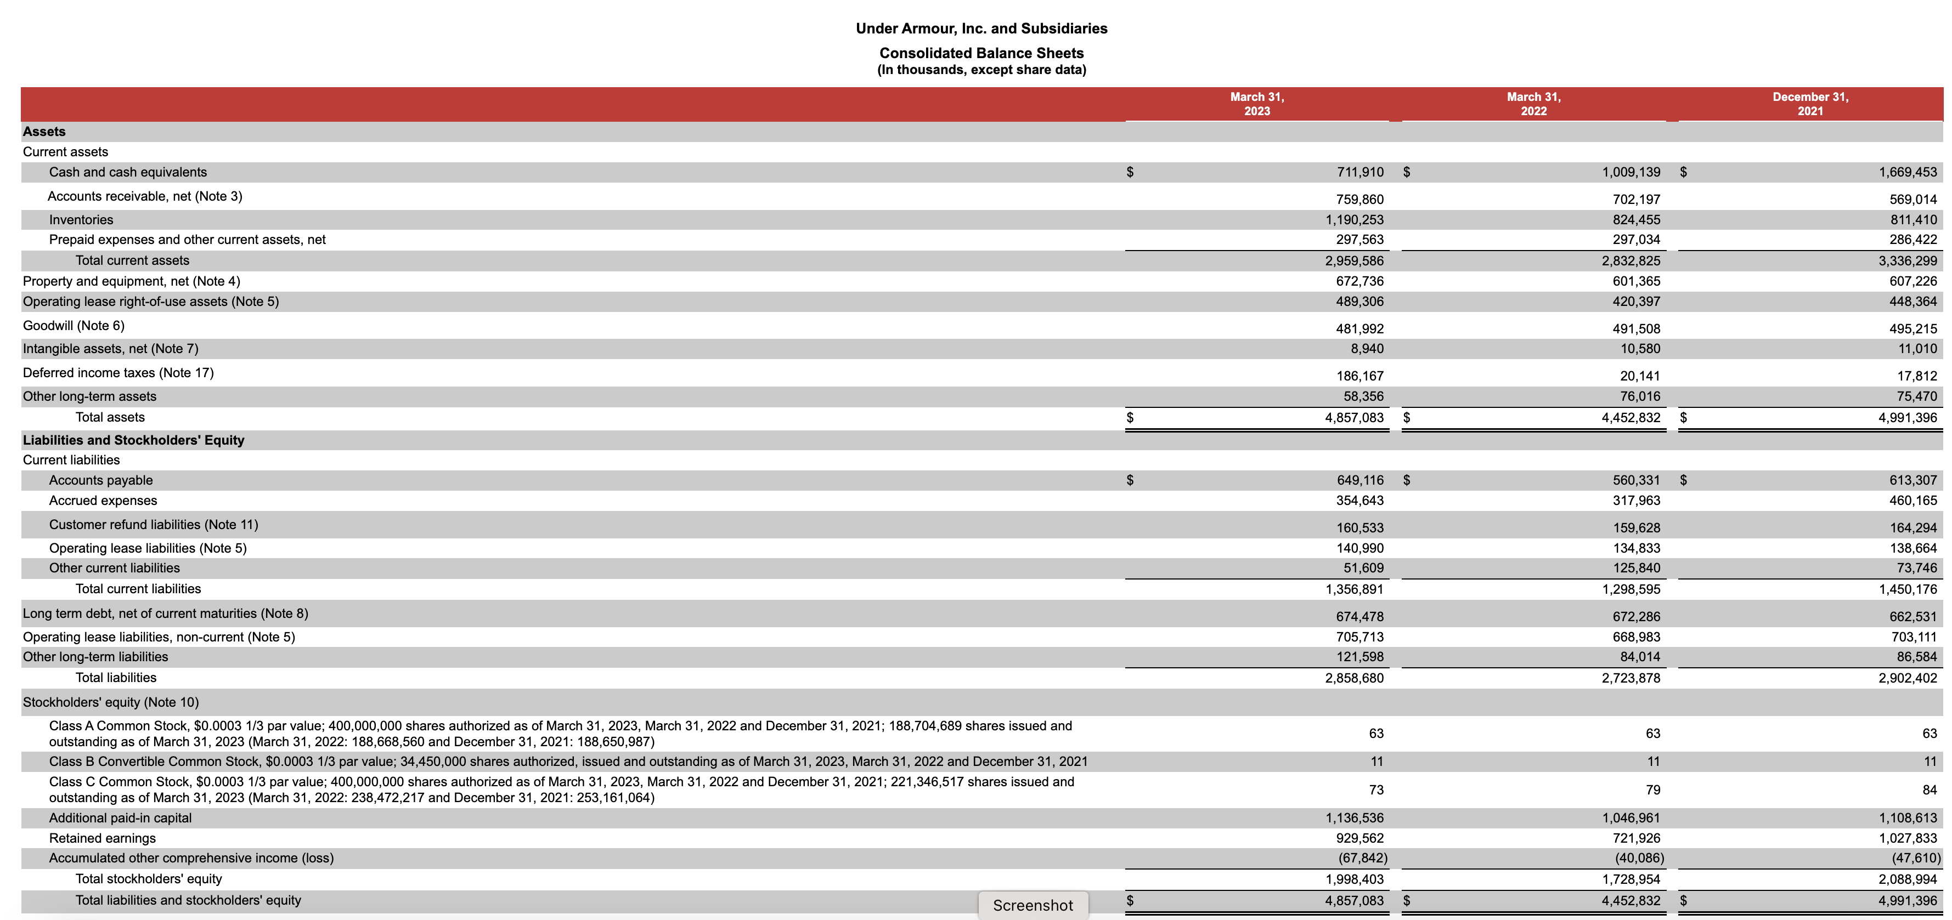

 | [g]

 | [h]

 | [e]

 | [d]

Income Statement - Competitor
Income Statement(s)
Please provide screenshots below of the income statement(s) that you used for your competitor analysis. Use tickmarks to demonstrate which amounts are used on the following tabs.
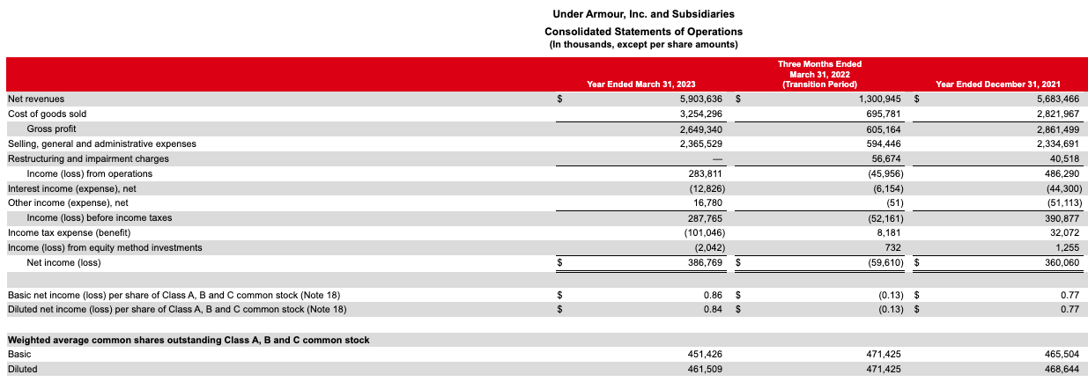

 | [a]
 | [b]

 | [f]

 |  | [c]

